Results
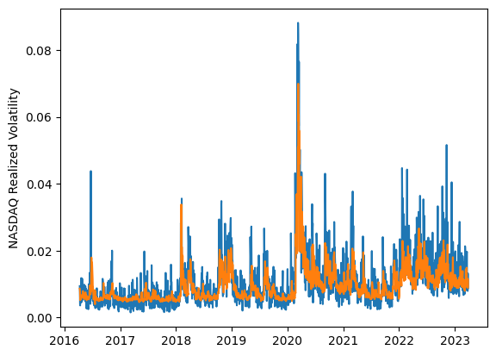
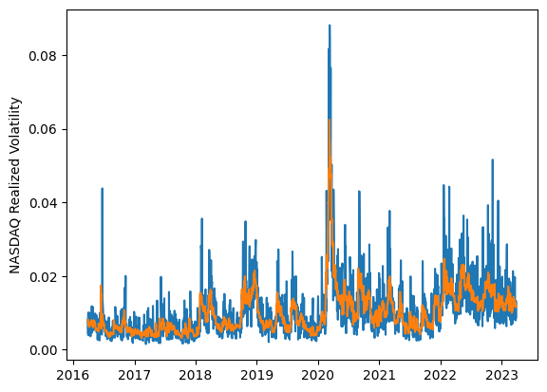
 | LSTM |  |  | TCN |  |  | NBEATSx |  |  |  |  | LSTM |  |  | TCN |  |  | NBEATSx
 | Accuracy | RMSE | Qlike | Accuracy | RMSE | Qlike | Accuracy | RMSE | Qlike |  |  | Accuracy | RMSE | Qlike | Accuracy | RMSE | Qlike | Accuracy | RMSE | Qlike
Trial 1 | 52.41% | 0.388% | 0.135 | 62.12% | 0.374% | 0.108 | 64.24% | 0.341% | 0.090 |  | Mean | 56.63% | 0.379% | 0.121 | 59.91% | 0.378% | 0.114 | 64.37% | 0.341% | 0.090
Trial 2 | 57.58% | 0.368% | 0.115 | 59.64% | 0.374% | 0.113 | 64.70% | 0.339% | 0.088 |  | Standard Deviation | 7.27% | 0.032% | 0.028 | 2.98% | 0.005% | 0.009 | 0.48% | 0.002% | 0.001
Trial 3 | 55.75% | 0.380% | 0.122 | 61.78% | 0.384% | 0.111 | 64.42% | 0.340% | 0.090 |  | 95% CI upper bound | 71.17% | 0.444% | 0.177 | 65.87% | 0.388% | 0.132 | 65.33% | 0.344% | 0.093
Trial 4 | 48.68% | 0.415% | 0.150 | 60.79% | 0.381% | 0.114 | 64.08% | 0.344% | 0.091 |  | 95% CI lower bound | 42.09% | 0.315% | 0.065 | 53.95% | 0.368% | 0.096 | 63.40% | 0.338% | 0.087
Trial 5 | 60.05% | 0.362% | 0.109 | 61.75% | 0.369% | 0.105 | 64.76% | 0.340% | 0.090 |  | 99.7% CI upper bound | 78.44% | 0.476% | 0.205 | 68.85% | 0.393% | 0.141 | 65.81% | 0.346% | 0.094
Trial 6 | 60.07% | 0.365% | 0.107 | 55.78% | 0.380% | 0.127 | 63.81% | 0.344% | 0.090 |  | 99.7% CI lower bound | 34.82% | 0.283% | 0.037 | 50.97% | 0.363% | 0.087 | 62.92% | 0.337% | 0.086
Trial 7 | 62.84% | 0.354% | 0.098 | 59.19% | 0.376% | 0.114 | 64.73% | 0.340% | 0.089
Trial 8 | 60.93% | 0.360% | 0.104 | 58.42% | 0.379% | 0.119 | 63.27% | 0.343% | 0.088
Trial 9 | 55.52% | 0.380% | 0.123 | 60.18% | 0.380% | 0.114 | 64.70% | 0.341% | 0.091
Trial 10 | 35.50% | 0.481% | 0.207 | 62.89% | 0.373% | 0.102 | 64.72% | 0.339% | 0.092
Trial 11 | 59.48% | 0.370% | 0.110 | 57.05% | 0.377% | 0.123 | 64.63% | 0.343% | 0.092
Trial 12 | 64.82% | 0.361% | 0.096 | 59.43% | 0.374% | 0.114 | 64.32% | 0.340% | 0.088
Trial 13 | 53.29% | 0.387% | 0.131 | 60.70% | 0.375% | 0.110 | 64.62% | 0.341% | 0.090
Trial 14 | 61.47% | 0.357% | 0.103 | 53.42% | 0.389% | 0.134 | 63.59% | 0.343% | 0.089
Trial 15 | 61.02% | 0.362% | 0.104 | 65.54% | 0.382% | 0.100 | 64.89% | 0.341% | 0.091

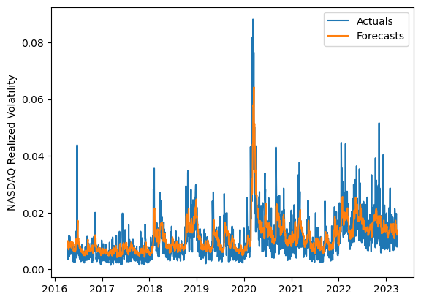
 | LSTM (best trial) |  |  |  |  |  |  |  |  | TCN (best trial) |  |  |  |  |  |  |  |  | NBEATSx (best trial)

